Sheet1
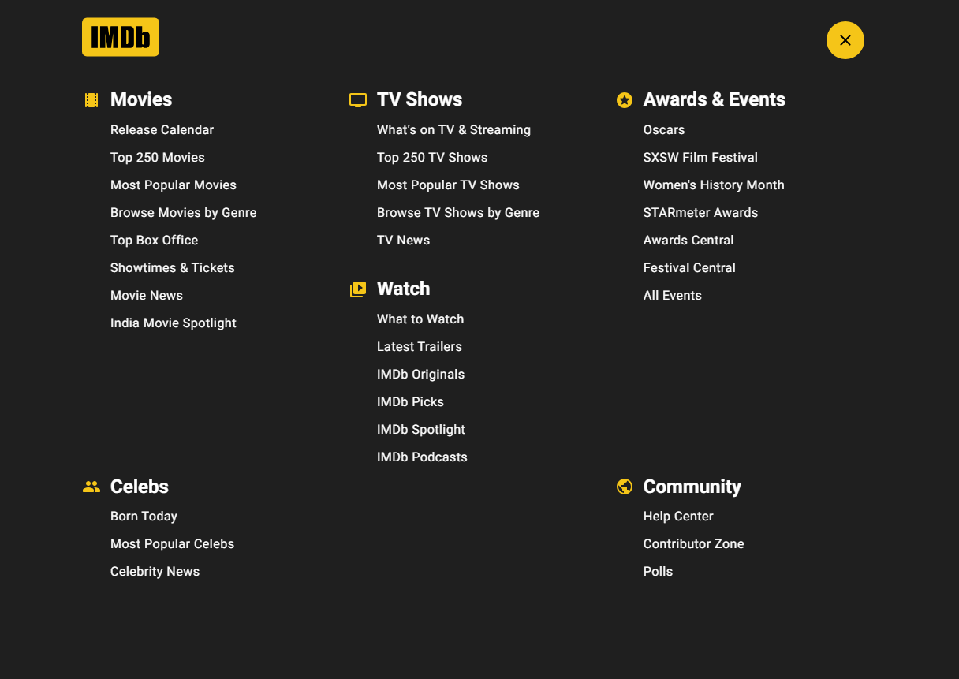
Test ID | Test Title | Test Instructions/Steps | Test Data | Expected results | Result
1 | Check the button "Menu" | Open browser | / | a pop up appears with everything that includes the site as in the following screenshot: | PASSED
 |  | Go to: https://www.imdb.com/chart/tvmeter/?ref_=nv_tvv_mptv
 |  | Click on the "Menu" button
2 | Check the first TV Show that will apear | Open browser | / | redirect to a link with details and trailer of the TV Show: https://www.imdb.com/title/tt2788316/?ref_=chttvm_t_1 | PASSED
 |  | Go to: https://www.imdb.com/chart/tvmeter/?ref_=nv_tvv_mptv
 |  | Click on the first TV Show
3 | Check the button "Sing in for more access" | Open browser | / | redirection to a link with login modes: https://www.imdb.com/registration/signin?ref_=reg_ftr&u=%2Fchart%2Ftvmeter%2F | PASSED
 |  | Go to: https://www.imdb.com/chart/tvmeter/?ref_=nv_tvv_mptv
 |  | Scroll all the way down
 |  | Click the button "Sing in for more access" in the middle of the page

1

